Sheet
Bone Predictor | 2021-11-10 14:13:55

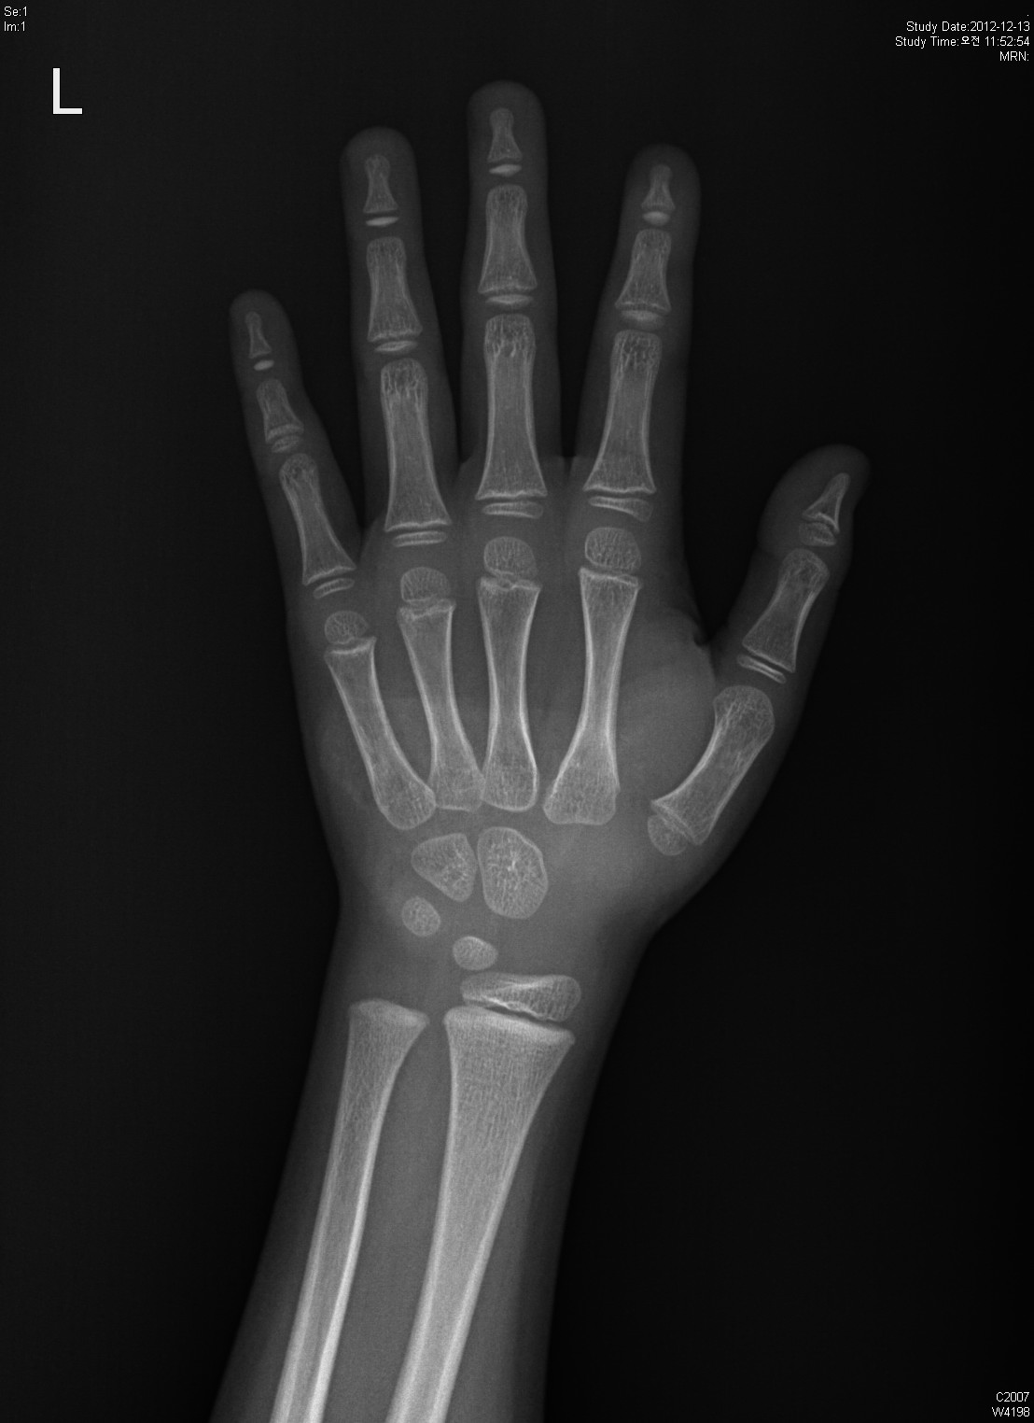
Information

Name :

Gender : Female

Age : 24

Height : 158

Diagnosis Bone Age

Bone Age : 22

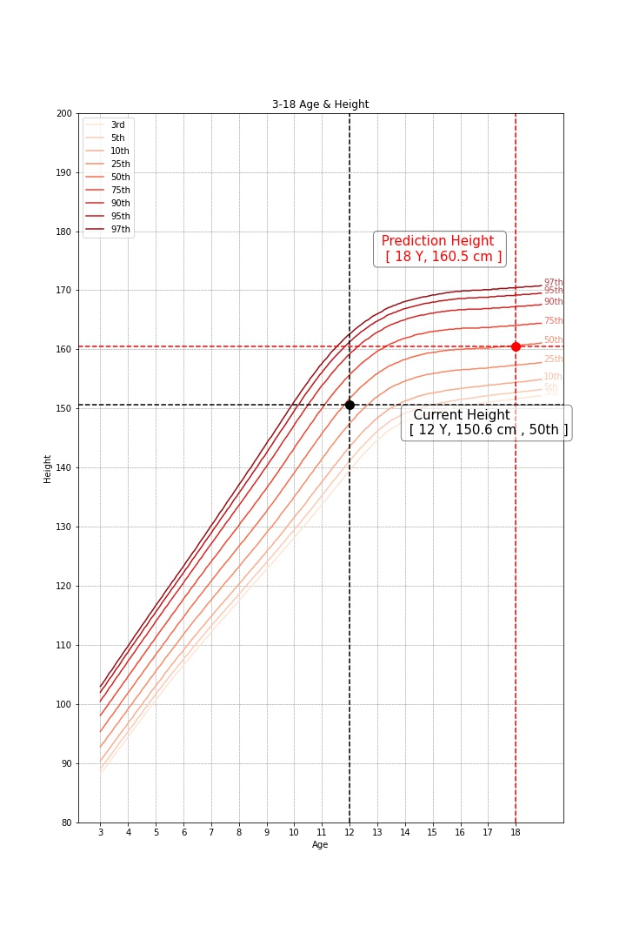

Predicted Height Growth

Current height percentile : ??

Predicted Height Growth : 180
(based on 18 years old)

